Cobrapin - Game Funtion
 | com4 = 0-0-x
 | com5 = 1-0-x

 |  |  |  |  |  |  |  |  |  |  |  |  |  |  |  |  |  |  |  |  |  |  |  |  |  |  |  |  |  |  |  |  |  |  |  |  |  |  |  |  |  |  |  |  |  |  |  |  |  |  |  |  |  |  |  |  |  | 0-0-8 | 0-0-9 | 0-0-10 | 0-0-11 | 0-0-0 | 0-0-12 | 0-0-13 | 0-0-14 | 0-0-15 | 0-0-7 | 0-0-6 | 0-0-5 | 0-0-4 | 0-0-3 | 0-0-2 | 0-0-1 | 1-0-0 | 1-0-7 | 1-0-6 | 1-0-5 | 1-0-4 | 1-0-3 | 1-0-2 | 1-0-1
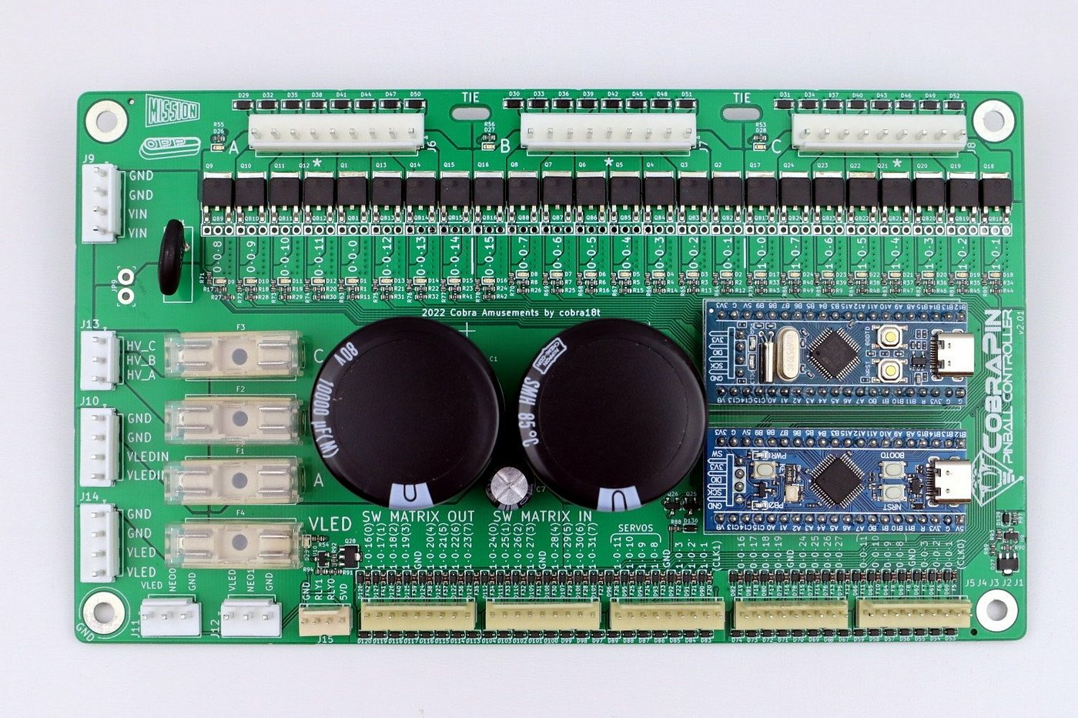

GND |  |  |  |  |  |  |  |  |  |  |  |  |  |  |  |  |  |  |  |  |  |  |  |  |  |  |  |  |  |  |  |  |  |  |  |  |  |  |  |  |  |  |  |  |  |  |  |  |  |  |  |  |  |  |  |  | GND
GND (50V) |  |  |  |  |  |  |  |  |  |  |  |  |  |  |  |  |  |  |  |  |  |  |  |  |  |  |  |  |  |  |  |  |  |  |  |  |  |  |  |  |  |  |  |  |  |  |  |  |  |  |  |  |  |  |  |  | GND (50V)
VIN (50V) |  |  |  |  |  |  |  |  |  |  |  |  |  |  |  |  |  |  |  |  |  |  |  |  |  |  |  |  |  |  |  |  |  |  |  |  |  |  |  |  |  |  |  |  |  |  |  |  |  |  |  |  |  |  |  |  | VIN (50V)
VIN (50V) |  |  |  |  |  |  |  |  |  |  |  |  |  |  |  |  |  |  |  |  |  |  |  |  |  |  |  |  |  |  |  |  |  |  |  |  |  |  |  |  |  |  |  |  |  |  |  |  |  |  |  |  |  |  |  |  | VIN (50V)

V50 to bank C |  |  |  |  |  |  |  |  |  |  |  |  |  |  |  |  |  |  |  |  |  |  |  |  |  |  |  |  |  |  |  |  |  |  |  |  |  |  |  |  |  |  |  |  |  |  |  |  |  |  |  |  |  |  |  |  | V50 to bank C
V50 to bank B |  |  |  |  |  |  |  |  |  |  |  |  |  |  |  |  |  |  |  |  |  |  |  |  |  |  |  |  |  |  |  |  |  |  |  |  |  |  |  |  |  |  |  |  |  |  |  |  |  |  |  |  |  |  |  |  | V50 to bank B
V50 to bank A |  |  |  |  |  |  |  |  |  |  |  |  |  |  |  |  |  |  |  |  |  |  |  |  |  |  |  |  |  |  |  |  |  |  |  |  |  |  |  |  |  |  |  |  |  |  |  |  |  |  |  |  |  |  |  |  | V50 to bank A

GND (LED) |  |  |  |  |  |  |  |  |  |  |  |  |  |  |  |  |  |  |  |  |  |  |  |  |  |  |  |  |  |  |  |  |  |  |  |  |  |  |  |  |  |  |  |  |  |  |  |  |  |  |  |  |  |  |  |  | GND (LED)
GND (LED) |  |  |  |  |  |  |  |  |  |  |  |  |  |  |  |  |  |  |  |  |  |  |  |  |  |  |  |  |  |  |  |  |  |  |  |  |  |  |  |  |  |  |  |  |  |  |  |  |  |  |  |  |  |  |  |  | GND (LED)
VIN (LED) |  |  |  |  |  |  |  |  |  |  |  |  |  |  |  |  |  |  |  |  |  |  |  |  |  |  |  |  |  |  |  |  |  |  |  |  |  |  |  |  |  |  |  |  |  |  |  |  |  |  |  |  |  |  |  |  | VIN (LED)
VIN (LED) |  |  |  |  |  |  |  |  |  |  |  |  |  |  |  |  |  |  |  |  |  |  |  |  |  |  |  |  |  |  |  |  |  |  |  |  |  |  |  |  |  |  |  |  |  |  |  |  |  |  |  |  |  |  |  |  | VIN (LED)

GND (LED) |  |  |  |  |  |  |  |  |  |  |  |  |  |  |  |  |  |  |  |  |  |  |  |  |  |  |  |  |  |  |  |  |  |  |  |  |  |  |  |  |  |  |  |  |  |  |  |  |  |  |  |  |  |  |  |  | GND (LED)
GND (LED) |  |  |  |  |  |  |  |  |  |  |  |  |  |  |  |  |  |  |  |  |  |  |  |  |  |  |  |  |  |  |  |  |  |  |  |  |  |  |  |  |  |  |  |  |  |  |  |  |  |  |  |  |  |  |  |  | GND (LED)
Vextra to LED |  |  |  |  |  |  |  |  |  |  |  |  |  |  |  |  |  |  |  |  |  |  |  |  |  |  |  |  |  |  |  |  |  |  |  |  |  |  |  |  |  |  |  |  |  |  |  |  |  |  |  |  |  |  |  |  | Vextra to LED
Vextra to LED |  |  |  |  |  |  |  |  |  |  |  |  |  |  |  |  |  |  |  |  |  |  |  |  |  |  |  |  |  |  |  |  |  |  |  |  |  |  |  |  |  |  |  |  |  |  |  |  |  |  |  |  |  |  |  |  | Vextra to LED

 |  | VLED | NEO0 | GND | VLED | NEO1 | GND | GND | RLY1 | RLY0 | 5VD (USB) | 1-0-16 | 1-0-17 | 1-0-18 | 1-0-19 | GND | 1-0-20 | 1-0-21 | 1-0-22 | 1-0-23 | 1-0-24 | 1-0-25 | 1-0-26 | 1-0-27 | GND | 1-0-28 | 1-0-29 | 1-0-30 | 1-0-31 | 1-0-11 | 1-0-10 | 1-0-9 | 1-0-8 | GND | 1-0-3 | 1-0-2 | 1-0-1 | (Clock) | 0-0-16 | 0-0-17 | 0-0-18 | 0-0-19 | GND | 0-0-24 | 0-0-25 | 0-0-26 | 0-0-27 | 0-0-11 | 0-0-10 | 0-0-9 | 0-0-8 | GND | 0-0-3 | 0-0-2 | 0-0-1 | (Clock)

Cobrapin - Doc
https://pinballmakers.com/wiki/index.php?title=CobraPin#Configuration
https://pinballmakers.com/wiki/index.php?title=CobraPin#Configuration
https://pinside.com/pinball/market/shops/1254-cobra-amusements/05162-cobrapin-pinball-controller
https://docs.missionpinball.org/hardware/opp/cobrapin/index.html

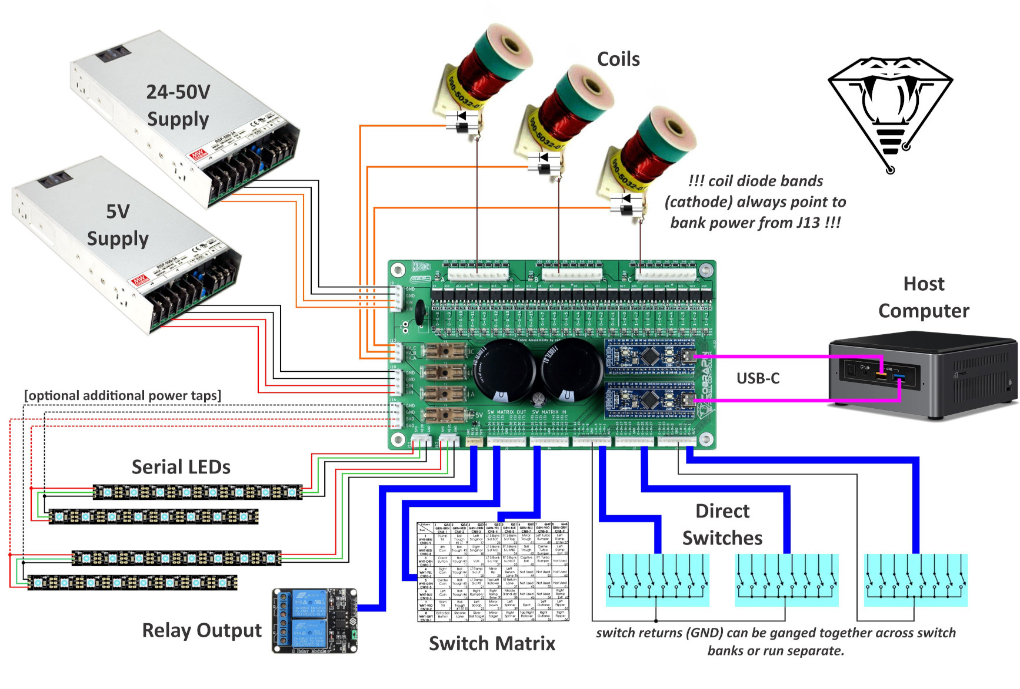

 |  |  |  |  |  |  |  |  |  |  |  |  |  |  |  |  |  |  |  |  |  |  |  |  |  |  |  |  |  |  |  |  |  |  |  |  |  |  |  |  |  |  |  |  |  |  |  |  |  |  |  |  |  |  |  |  | 0-0-8 | 0-0-9 | 0-0-10 | 0-0-11 | 0-0-0 | 0-0-12 | 0-0-13 | 0-0-14 | 0-0-15 | 0-0-7 | 0-0-6 | 0-0-5 | 0-0-4 | 0-0-3 | 0-0-2 | 0-0-1 | 1-0-0 | 1-0-7 | 1-0-6 | 1-0-5 | 1-0-4 | 1-0-3 | 1-0-2 | 1-0-1

GND |  |  |  |  |  |  |  |  |  |  |  |  |  |  |  |  |  |  |  |  |  |  |  |  |  |  |  |  |  |  |  |  |  |  |  |  |  |  |  |  |  |  |  |  |  |  |  |  |  |  |  |  |  |  |  | GND
GND (50V) |  |  |  |  |  |  |  |  |  |  |  |  |  |  |  |  |  |  |  |  |  |  |  |  |  |  |  |  |  |  |  |  |  |  |  |  |  |  |  |  |  |  |  |  |  |  |  |  |  |  |  |  |  |  |  | GND (50V)
VIN (50V) |  |  |  |  |  |  |  |  |  |  |  |  |  |  |  |  |  |  |  |  |  |  |  |  |  |  |  |  |  |  |  |  |  |  |  |  |  |  |  |  |  |  |  |  |  |  |  |  |  |  |  |  |  |  |  | VIN (50V)
VIN (50V) |  |  |  |  |  |  |  |  |  |  |  |  |  |  |  |  |  |  |  |  |  |  |  |  |  |  |  |  |  |  |  |  |  |  |  |  |  |  |  |  |  |  |  |  |  |  |  |  |  |  |  |  |  |  |  | VIN (50V)

V50 to bank C |  |  |  |  |  |  |  |  |  |  |  |  |  |  |  |  |  |  |  |  |  |  |  |  |  |  |  |  |  |  |  |  |  |  |  |  |  |  |  |  |  |  |  |  |  |  |  |  |  |  |  |  |  |  |  | V50 to bank C
V50 to bank B |  |  |  |  |  |  |  |  |  |  |  |  |  |  |  |  |  |  |  |  |  |  |  |  |  |  |  |  |  |  |  |  |  |  |  |  |  |  |  |  |  |  |  |  |  |  |  |  |  |  |  |  |  |  |  | V50 to bank B
V50 to bank A |  |  |  |  |  |  |  |  |  |  |  |  |  |  |  |  |  |  |  |  |  |  |  |  |  |  |  |  |  |  |  |  |  |  |  |  |  |  |  |  |  |  |  |  |  |  |  |  |  |  |  |  |  |  |  | V50 to bank A

GND (LED) |  |  |  |  |  |  |  |  |  |  |  |  |  |  |  |  |  |  |  |  |  |  |  |  |  |  |  |  |  |  |  |  |  |  |  |  |  |  |  |  |  |  |  |  |  |  |  |  |  |  |  |  |  |  |  | GND (LED)
GND (LED) |  |  |  |  |  |  |  |  |  |  |  |  |  |  |  |  |  |  |  |  |  |  |  |  |  |  |  |  |  |  |  |  |  |  |  |  |  |  |  |  |  |  |  |  |  |  |  |  |  |  |  |  |  |  |  | GND (LED)
VIN (LED) |  |  |  |  |  |  |  |  |  |  |  |  |  |  |  |  |  |  |  |  |  |  |  |  |  |  |  |  |  |  |  |  |  |  |  |  |  |  |  |  |  |  |  |  |  |  |  |  |  |  |  |  |  |  |  | VIN (LED)
VIN (LED) |  |  |  |  |  |  |  |  |  |  |  |  |  |  |  |  |  |  |  |  |  |  |  |  |  |  |  |  |  |  |  |  |  |  |  |  |  |  |  |  |  |  |  |  |  |  |  |  |  |  |  |  |  |  |  | VIN (LED)

GND (LED) |  |  |  |  |  |  |  |  |  |  |  |  |  |  |  |  |  |  |  |  |  |  |  |  |  |  |  |  |  |  |  |  |  |  |  |  |  |  |  |  |  |  |  |  |  |  |  |  |  |  |  |  |  |  |  | GND (LED)
GND (LED) |  |  |  |  |  |  |  |  |  |  |  |  |  |  |  |  |  |  |  |  |  |  |  |  |  |  |  |  |  |  |  |  |  |  |  |  |  |  |  |  |  |  |  |  |  |  |  |  |  |  |  |  |  |  |  | GND (LED)
Vextra to LED |  |  |  |  |  |  |  |  |  |  |  |  |  |  |  |  |  |  |  |  |  |  |  |  |  |  |  |  |  |  |  |  |  |  |  |  |  |  |  |  |  |  |  |  |  |  |  |  |  |  |  |  |  |  |  | Vextra to LED
Vextra to LED |  |  |  |  |  |  |  |  |  |  |  |  |  |  |  |  |  |  |  |  |  |  |  |  |  |  |  |  |  |  |  |  |  |  |  |  |  |  |  |  |  |  |  |  |  |  |  |  |  |  |  |  |  |  |  | Vextra to LED

 | VLED | NEO0 | GND | VLED | NEO1 | GND | GND | RLY1 | RLY0 | 5VD (USB) | 1-0-16 | 1-0-17 | 1-0-18 | 1-0-19 | GND | 1-0-20 | 1-0-21 | 1-0-22 | 1-0-23 | 1-0-24 | 1-0-25 | 1-0-26 | 1-0-27 | GND | 1-0-28 | 1-0-29 | 1-0-30 | 1-0-31 | 1-0-11 | 1-0-10 | 1-0-9 | 1-0-8 | GND | 1-0-3 | 1-0-2 | 1-0-1 | (Clock) | 0-0-16 | 0-0-17 | 0-0-18 | 0-0-19 | GND | 0-0-24 | 0-0-25 | 0-0-26 | 0-0-27 | 0-0-11 | 0-0-10 | 0-0-9 | 0-0-8 | GND | 0-0-3 | 0-0-2 | 0-0-1 | (Clock)

PSOC4200 - Doc
MPF Number | Comment | Function |  |  |  |  | Function | Comment | MPF Number

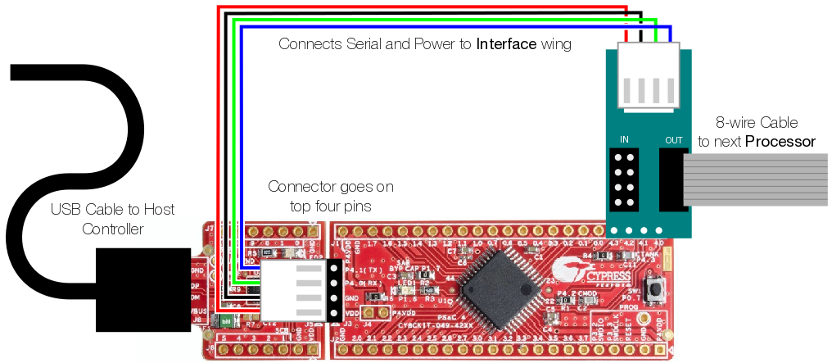
 |  | RX | 4.0 |  |  | VDD
 |  | TX | 4.1 |  |  | GND
 |  | Sync | 4.2 |  |  | Reset
 |  |  | 4.3 |  |  | SWDCLK
 |  |  | 0.0 |  |  | SWDIO
 |  |  | 0.1 |  |  | 3.7
 |  |  | 0.2 |  |  | 3.6
 |  |  | 0.3 |  |  | 3.5
 |  |  | 0.4 |  |  | 3.4
 |  |  | 0.5 | PSOC4200 |  | 3.3
 |  |  | 0.6 |  |  | 3.2
 |  |  | 0.7 |  |  | 3.1
 |  |  | 1.0 |  |  | 3.0
 |  |  | 1.1 |  |  | 2.7
 |  |  | 1.2 |  |  | 2.6
 |  |  | 1.3 |  |  | 2.5
 |  |  | 1.4 |  |  | 2.4
 |  |  | 1.5 |  |  | 2.3
 |  |  | 1.6 |  |  | 2.2
 |  |  | 1.7 |  |  | 2.1
 |  |  | GND |  |  | 2.0
 |  |  | VDD |  |  | GND

 |  |  | TX | RX | GND | VDD

 |  |  | RX | TX | GND | VDD

 |  |  |  | COM7

 |  |  |  | USB

https://pinballmakers.com/wiki/index.php?title=OPP

Coil
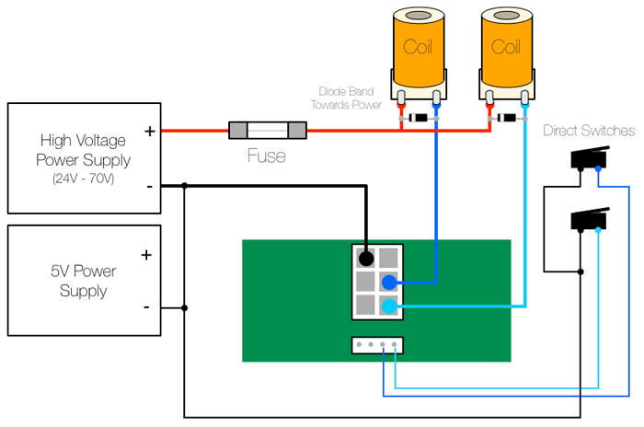

The Solenoid wing uses MOSFETs to control up to four individual coils via a ground sink method, where the coils themselves are wired to the positive side of the high voltage power supply and the MOSFET provides a ground path when activated, firing the coil.
Standard coil voltages are 24V to 48V and upwards of 10A of current

Solenoids are wired with positive voltage from the high voltage power supply (24V to 70V depending on your game) and the other lug to the Solenoid wing via the 2x6 Molex connector. When the MOSFET is triggered, it connects ground for that solenoid and it activates.
NOTE: a 4004 or similar diode must be placed across the positive and ground connections with the band towards the positive wire. This allows for the flyback voltage that is generated when a coil's magnetic field collapses. Without it, that voltage travels back to the Solenoid wing and will likely destroy the MOSFETs, so it is critical that the diode be in place.
Direct switches are connected via the 1x4 Molex connector and wired to the Logic (5V) ground.

Switch
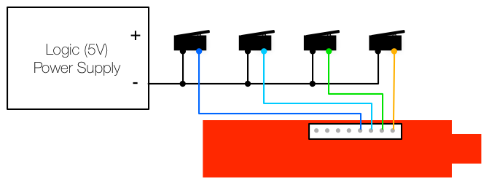

Unlike the Solenoid and Incandescent wings, the Switch wing is set up as High-side, where the switch pins are at 5V and playfield and cabinet switches are tied to Ground, so that when a switch is activated, the pins are grounded and the switch is considered 'closed'. It is set up this way since the Processor pins have a Pull-Up resistor on them that is tied to 5V.
The switches provide a ground path for the normally-high inputs.

Incand
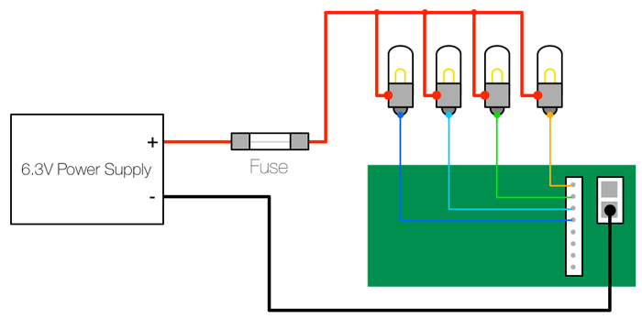

The Incandescent wing uses MOSFETs to control up to eight direct wired incandescent lamps via the same ground sink method as the coils.

